w=1.000 (w tiploss)
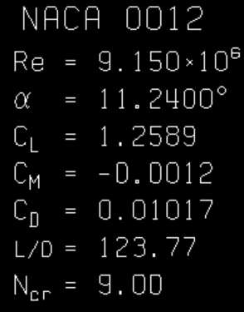
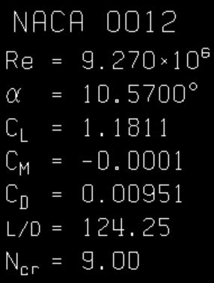
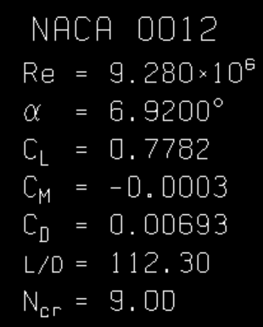
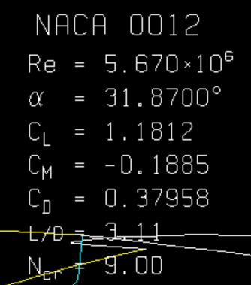
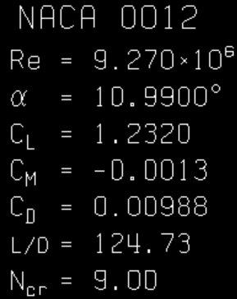
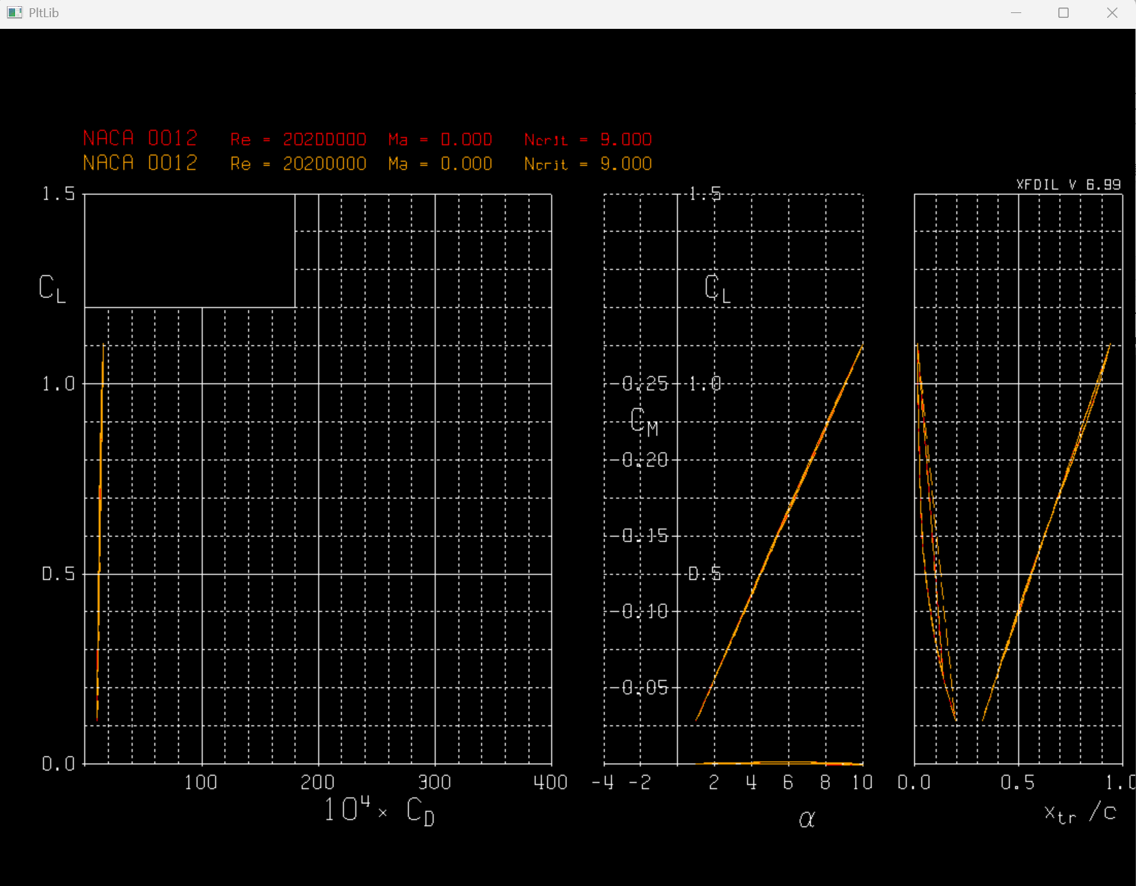
8.5m
Xfoil Output: |  |  |  |  |  |  |  | BEM output: |  |  |  |  |  |  |  |  |  |  |  |  | No Xfoil 2nd correction: |  |  |  |  |  |  |  | 1000
Ncrit | Re | θ | CL | CD | CM | L/D |  | Element No | radii | a | a' | a_corr | a'_corr | F_tiploss | (1-a_corr)U_infnty | (1+a'_corr)wr | Urel | tan(phi) | phi | phi-twist | lift | drag | Fn/kN | Ft | Cn | Ct | CL | CD
9 | 3.56E+06 | 0 | 0.00000 | 0.00096 |  | 0.00 |  | 0 | 2.473 | 4.519080337E-05 | -4.519080337E-05 | 4.5219150378E-05 | -4.5219150378E-05 | 0.9994 | 2.000 | 2.473 | 3.1804 | 0.809 | 38.964 | 28.964 | 0.00 | 0.0046 | 0.00 | 0.00 | 0.0005 | -0.0008 | 0.0000 | 0.0010 | 0.0 | 4.6 | 2.2 | -4.1
 | 3.42E+06 | 1 | 0.11060 | 0.00097 |  | 114.02 |  | 1 | 3.076 | 0.00961 | 0.00233 | 0.00963 | 0.00234 | 0.9984 | 1.981 | 3.083 | 3.6644 | 0.642 | 32.721 | 23.660 | 0.68 | 0.0060 | 0.62 | 0.27 | 0.1017 | 0.0435 | 0.1106 | 0.0010 | 679.4 | 6.0 | 624.7 | 267.2
 | 3.28E+06 | 2 | 0.22060 | 0.00100 |  | 220.60 |  | 2 | 3.678 | 0.02145 | 0.00364 | 0.02153 | 0.00365 | 0.9965 | 1.957 | 3.692 | 4.1784 | 0.530 | 27.927 | 19.792 | 1.69 | 0.0076 | 1.59 | 0.56 | 0.2079 | 0.0738 | 0.2206 | 0.0010 | 1686.5 | 7.6 | 1589.5 | 563.9
 | 3.14E+06 | 3 | 0.32930 | 0.00106 |  | 310.66 |  | 3 | 4.281 | 0.03507 | 0.00438 | 0.03534 | 0.00442 | 0.9929 | 1.929 | 4.300 | 4.7130 | 0.449 | 24.165 | 16.953 | 3.06 | 0.0099 | 2.93 | 0.88 | 0.3153 | 0.0950 | 0.3293 | 0.0011 | 3061.2 | 9.9 | 2931.1 | 883.2
 | 2.99E+06 | 4 | 0.43620 | 0.00115 |  | 379.30 |  | 4 | 4.884 | 0.04955 | 0.00480 | 0.05031 | 0.00487 | 0.9860 | 1.899 | 4.908 | 5.2623 | 0.387 | 21.158 | 14.884 | 4.82 | 0.0127 | 4.67 | 1.23 | 0.4219 | 0.1109 | 0.4362 | 0.0012 | 4823.7 | 12.7 | 4665.1 | 1226.8
 | 2.85E+06 | 5 | 0.54070 | 0.00127 |  | 425.75 |  | 5 | 5.486 | 0.06363 | 0.00500 | 0.06563 | 0.00514 | 0.9726 | 1.869 | 5.515 | 5.8228 | 0.339 | 18.720 | 13.417 | 6.97 | 0.0164 | 6.79 | 1.60 | 0.5262 | 0.1242 | 0.5407 | 0.0013 | 6972.7 | 16.4 | 6786.2 | 1602.0
 | 2.71E+06 | 6 | 0.64220 | 0.00141 |  | 455.46 |  | 6 | 6.089 | 0.07588 | 0.00506 | 0.08079 | 0.00534 | 0.9464 | 1.838 | 6.122 | 6.3918 | 0.300 | 16.716 | 12.425 | 9.49 | 0.0208 | 9.27 | 2.02 | 0.6275 | 0.1368 | 0.6422 | 0.0014 | 9485.3 | 20.8 | 9267.7 | 2020.6
 | 2.57E+06 | 7 | 0.75230 | 0.00163 |  | 461.53 |  | 7 | 6.692 | 0.08664 | 0.00509 | 0.09836 | 0.00567 | 0.8963 | 1.803 | 6.730 | 6.9673 | 0.268 | 15.000 | 11.753 | 12.52 | 0.0271 | 12.26 | 2.52 | 0.7369 | 0.1516 | 0.7523 | 0.0016 | 12515.9 | 27.1 | 12259.1 | 2522.8
 | 2.42E+06 | 8 | 0.87660 | 0.00192 |  | 456.56 |  | 8 | 7.295 | 0.09566 | 0.00512 | 0.12386 | 0.00637 | 0.8035 | 1.752 | 7.341 | 7.5473 | 0.239 | 13.425 | 11.235 | 16.17 | 0.0354 | 15.87 | 3.12 | 0.8602 | 0.1689 | 0.8766 | 0.0019 | 16173.7 | 35.4 | 15870.6 | 3116.5
 | 2.28E+06 | 9 | 0.99990 | 0.00233 |  | 429.14 |  | 9 | 7.897 | 0.10039 | 0.00506 | 0.17605 | 0.00802 | 0.6304 | 1.648 | 7.961 | 8.1294 | 0.207 | 11.695 | 10.568 | 20.16 | 0.0470 | 19.83 | 3.65 | 0.9834 | 0.1811 | 0.9999 | 0.0023 | 20158.7 | 47.0 | 19825.4 | 3651.1
 | 2.14E+06 | 10 | 1.07670 | 0.00300 |  | 358.90 |  | 10 | 8.500 | 0.09643 | 0.00474 | 0.47750 | 0.01332 | 0.3500 | 1.045 | 8.613 | 8.6764 | 0.120 | 6.918 | 6.918 | 23.21 | 0.0647 | 23.05 | 2.73 | 1.0692 | 0.1267 | 1.0767 | 0.0030 | 23208.4 | 64.7 | 23047.3 | 2731.1
 |  |  |  |  |  |  | a_new = 1 / (1 + F * (4 * math.sin(phi)**2) / (sigma * Cn)) |  |  |  |  |  |  |  |  |  |  | 0.121
 |  |  |  |  |  |  | a_prime_new = 1 / (F * (4 * math.sin(phi) * math.cos(phi) / (sigma * Ct)) - 1)

Screenshot of Xfoil outputs: |  |  |  |  |  |  |  |  |  |  |  |  | Xfoil 2nd output (for FX-BEMS iteration) |  |  |  |  |  |  | 8.5m 3D turbine 2nd input to Xfoil
Xfoil 1st Output: |  |  |  |  |  |  |  |  |  |  |  |  | Ncrit | Re* | phi-twist | CL* | CD* | L/D |  | Urel | tan(phi) | phi | phi-twist | twist | R=0.55 | R*=8.5 | d* (chord)
 | 0 |  | 1 |  | 2 |  | 3 |  | 4 |  | 5 |  | 9 | 5.67E+06 | 28.96 | 1.1812 | 0.37960 | 3.11 |  | 3.1804 | 0.8087 | 38.96 | 28.96 | 10 | 0.160 | 2.473 | 1.545
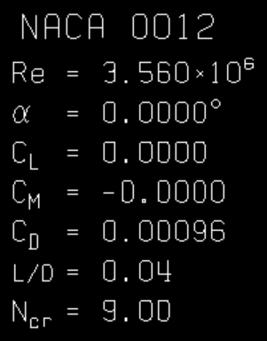
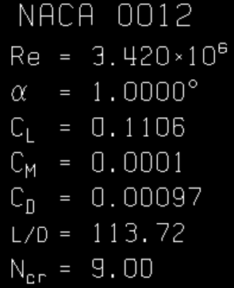
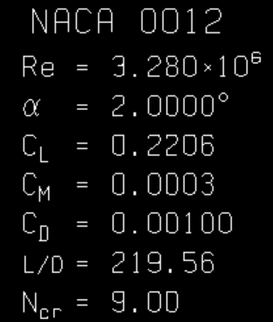
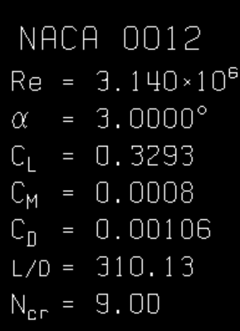
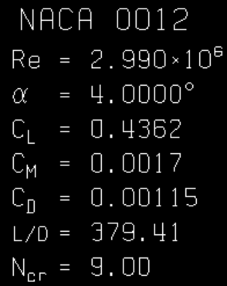
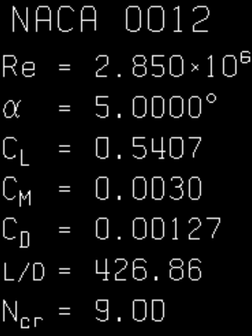
 |  |  |  |  |  |  |  |  |  |  |  |  |  | 6.27E+06 | 23.66 | 1.3106 | 0.16813 | 7.80 |  | 3.6644 | 0.6425 | 32.72 | 23.66 | 9 | 0.199 | 3.075 | 1.484
 |  |  |  |  |  |  |  |  |  |  |  |  |  | 6.85E+06 | 19.79 | 1.8220 | 0.03441 | 52.95 |  | 4.1784 | 0.5301 | 27.93 | 19.79 | 8 | 0.238 | 3.678 | 1.422
 |  |  |  |  |  |  |  |  |  |  |  |  |  | 7.39E+06 | 16.95 | 1.7370 | 0.01943 | 89.40 |  | 4.7130 | 0.4487 | 24.16 | 16.95 | 7 | 0.277 | 4.281 | 1.360
 |  |  |  |  |  |  |  |  |  |  |  |  |  | 7.88E+06 | 14.88 | 1.5985 | 0.01494 | 106.99 |  | 5.2623 | 0.3870 | 21.16 | 14.88 | 6 | 0.316 | 4.884 | 1.298
 |  |  |  |  |  |  |  |  |  |  |  |  |  | 8.30E+06 | 13.42 | 1.4654 | 0.01283 | 114.22 |  | 5.8228 | 0.3389 | 18.72 | 13.42 | 5 | 0.355 | 5.486 | 1.236
 |  |  |  |  |  |  |  |  |  |  |  |  |  | 8.66E+06 | 12.43 | 1.3702 | 0.01154 | 118.73 |  | 6.3918 | 0.3003 | 16.72 | 12.43 | 4 | 0.394 | 6.089 | 1.175
 |  |  |  |  |  |  |  |  |  |  |  |  |  | 8.94E+06 | 11.75 | 1.3050 | 0.01074 | 121.51 |  | 6.9673 | 0.2680 | 15.00 | 11.75 | 3 | 0.433 | 6.692 | 1.113
 |  |  |  |  |  |  |  |  |  |  |  |  |  | 9.15E+06 | 11.24 | 1.2589 | 0.01017 | 123.79 |  | 7.5473 | 0.2387 | 13.43 | 11.24 | 2 | 0.472 | 7.295 | 1.051
 |  |  |  |  |  |  |  |  |  |  |  |  |  | 9.27E+06 | 10.57 | 1.1811 | 0.00951 | 124.20 |  | 8.1294 | 0.2070 | 11.70 | 10.57 | 1 | 0.511 | 7.897 | 0.989
 | 6 |  | 7 |  | 8 |  | 9 |  | 10 |  |  |  |  | 9.28E+06 | 6.92 | 0.7782 | 0.00693 | 112.29 |  | 8.676 | 0.1204 | 6.92 | 6.92 | 0 | 0.550 | 8.500 | 0.927
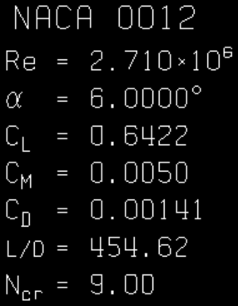
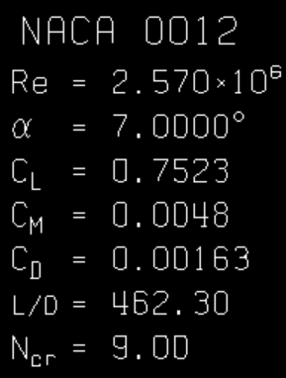
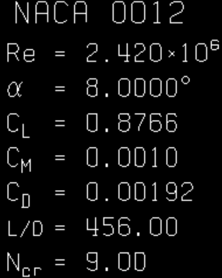
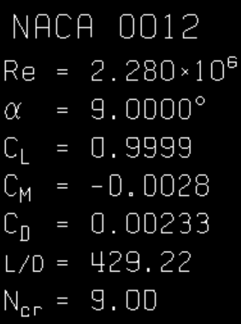
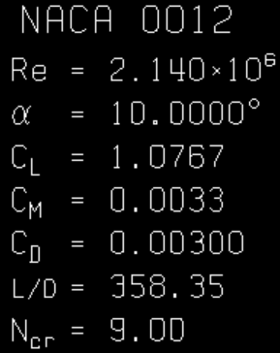
 |  |  |  |  |  |  |  |  |  |  |  |  | Re Calculator
 |  |  |  |  |  |  |  |  |  |  |  |  | Re=ρUd/μ: |  | ρ | U∞ | d (chord) | μ ( Pa-s) | wr=8.5*1
 |  |  |  |  |  |  |  |  |  |  |  |  |  | 3.56E+06 | 1025 | 2 | 1.545 | 8.89E-04
 |  |  |  |  |  |  |  |  |  |  |  |  |  | 3.42E+06 |  | w | 1.484
φ
 |  |  |  |  |  |  |  |  |  |  |  |  |  | 3.28E+06 |  | 1 | 1.422
 |  |  |  |  |  |  |  |  |  |  |  |  |  | 3.14E+06 |  | R | 1.360
 |  |  |  |  |  |  |  |  |  |  |  |  |  | 2.99E+06 |  | 8.5 | 1.298
 |  |  |  |  |  |  |  |  |  |  |  |  |  | 2.85E+06 |  | δr | 1.236
 |  |  |  |  |  |  |  |  |  |  |  |  |  | 2.71E+06 |  | 0.603 | 1.175
Xfoil 2nd output |  |  |  |  |  |  |  |  |  |  |  |  |  | 2.57E+06 |  | δchord | 1.113
 | theta=0 |  | 1 |  | 2 |  | 3 |  | 4 |  | 5 |  |  | 2.42E+06 |  | 0.062 | 1.051
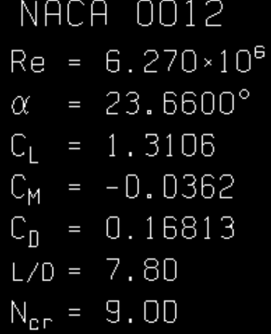
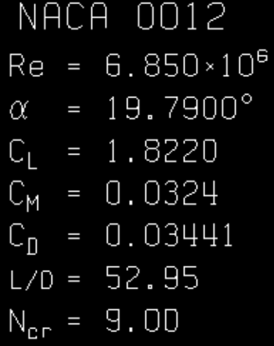
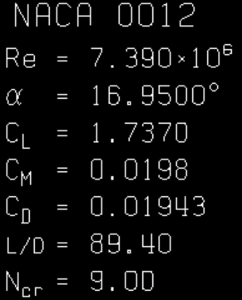
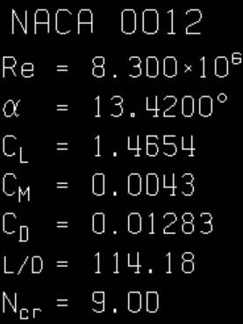
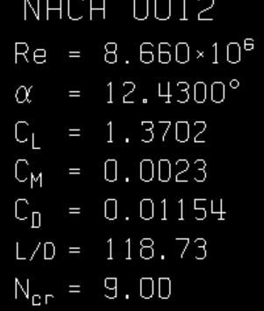
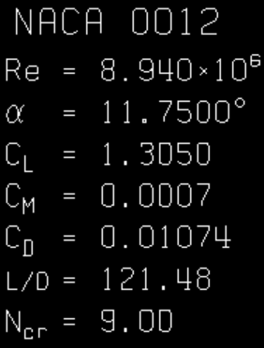
 |  |  |  |  |  |  |  |  |  |  |  |  |  | 2.28E+06 |  | Scale Factor | 0.989 |  |  | U0=2
 |  |  |  |  |  |  |  |  |  |  |  |  |  | 2.14E+06 |  | 15.45455 | 0.927

 | 6 |  |  |  |  |  | 8 |  | 9 |  | 10

w=1.260
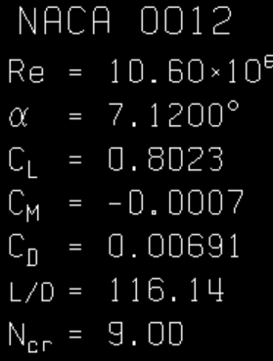
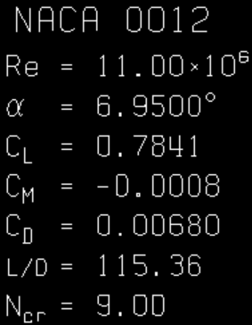
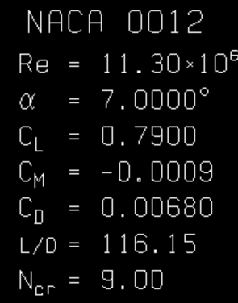
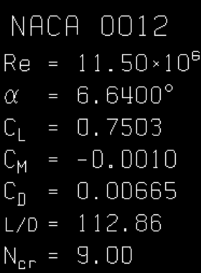
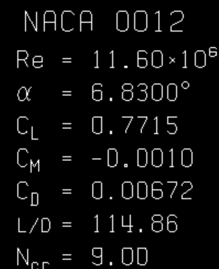
8.5m
Xfoil Output: |  |  |  |  |  |  |  | BEM output: |  |  |  |  |  |  |  |  |  |  |  |  | No Xfoil 2nd correction:
Ncrit | Re | θ | CL | CD | CM | L/D |  | Element No | radii | a | a' | a_corr | a'_corr | F_tiploss | (1-a)U_infnty | (1+a')wr | Urel | tan(phi) | phi | phi-twist | lift | drag | Fn/N | Ft | Cn | Ct | CL | CD
9 | 3.56E+06 | 0 | 0.00000 | 0.00096 |  | 0.00 |  | 0 | 2.473 | 0.00006 | -0.00006 | 0.00006 | -0.00006 | 1.0000 | 2.000 | 3.116 | 3.702 | 0.642 | 32.69 | 22.69 | 0.0 | 4.6 | 2.2 | -4.1 | 0.0005 | -0.0008 | 0.0000 | 0.0010
 | 3.42E+06 | 1 | 0.11060 | 0.00097 |  | 114.02 |  | 1 | 3.076 | 0.02135 | 0.00217 | 0.02136 | 0.00217 | 0.9999 | 1.957 | 3.884 | 4.349 | 0.504 | 26.75 | 17.75 | 679.4 | 6.0 | 624.7 | 267.2 | 0.1017 | 0.0435 | 0.1106 | 0.0010
 | 3.28E+06 | 2 | 0.22060 | 0.00100 |  | 220.60 |  | 2 | 3.678 | 0.05202 | 0.00345 | 0.05203 | 0.00345 | 0.9998 | 1.896 | 4.651 | 5.022 | 0.408 | 22.18 | 14.18 | 1686.5 | 7.6 | 1589.5 | 563.9 | 0.2079 | 0.0738 | 0.2206 | 0.0010
 | 3.14E+06 | 3 | 0.32930 | 0.00106 |  | 310.66 |  | 3 | 4.281 | 0.09284 | 0.00420 | 0.09289 | 0.00420 | 0.9996 | 1.814 | 5.417 | 5.713 | 0.335 | 18.52 | 11.52 | 3061.2 | 9.9 | 2931.1 | 883.2 | 0.3153 | 0.0950 | 0.3293 | 0.0011
 | 2.99E+06 | 4 | 0.43620 | 0.00115 |  | 379.30 |  | 4 | 4.884 | 0.14345 | 0.00463 | 0.14362 | 0.00463 | 0.9992 | 1.713 | 6.182 | 6.415 | 0.277 | 15.49 | 9.49 | 4823.7 | 12.7 | 4665.1 | 1226.8 | 0.4219 | 0.1109 | 0.4362 | 0.0012
 | 2.85E+06 | 5 | 0.54070 | 0.00127 |  | 425.75 |  | 5 | 5.486 | 0.19948 | 0.00484 | 0.20022 | 0.00485 | 0.9983 | 1.600 | 6.946 | 7.128 | 0.230 | 12.97 | 7.97 | 6972.7 | 16.4 | 6786.2 | 1602.0 | 0.5262 | 0.1242 | 0.5407 | 0.0013
 | 2.71E+06 | 6 | 0.64220 | 0.00141 |  | 455.46 |  | 6 | 6.089 | 0.23928 | 0.00491 | 0.24298 | 0.00493 | 0.9948 | 1.514 | 7.710 | 7.857 | 0.196 | 11.11 | 7.11 | 9485.3 | 20.8 | 9267.7 | 2020.6 | 0.6275 | 0.1368 | 0.6422 | 0.0014
 | 2.57E+06 | 7 | 0.75230 | 0.00163 |  | 461.53 |  | 7 | 6.692 | 0.24220 | 0.00495 | 0.25642 | 0.00506 | 0.9776 | 1.487 | 8.474 | 8.604 | 0.175 | 9.95 | 6.95 | 12515.9 | 27.1 | 12259.1 | 2522.8 | 0.7369 | 0.1516 | 0.7523 | 0.0016
 | 2.42E+06 | 8 | 0.87660 | 0.00192 |  | 456.56 |  | 8 | 7.295 | 0.22517 | 0.00501 | 0.26817 | 0.00546 | 0.9165 | 1.464 | 9.241 | 9.357 | 0.158 | 9.00 | 7.00 | 16173.7 | 35.4 | 15870.6 | 3116.5 | 0.8602 | 0.1689 | 0.8766 | 0.0019
 | 2.28E+06 | 9 | 0.99990 | 0.00233 |  | 429.14 |  | 9 | 7.897 | 0.19898 | 0.00498 | 0.32818 | 0.00653 | 0.7576 | 1.344 | 10.016 | 10.105 | 0.134 | 7.64 | 6.64 | 20158.7 | 47.0 | 19825.4 | 3651.1 | 0.9834 | 0.1811 | 0.9999 | 0.0023
 | 2.14E+06 | 10 | 1.07670 | 0.00300 |  | 358.90 |  | 10 | 8.500 | 0.16373 | 0.00467 | 0.35327 | 0.00772 | 0.6000 | 1.293 | 10.793 | 10.870 | 0.120 | 6.83 | 6.83 | 23208.4 | 64.7 | 23047.3 | 2731.1 | 1.0692 | 0.1267 | 1.0767 | 0.0030

Screenshot of Xfoil outputs: |  |  |  |  |  |  |  |  |  |  |  |  | Xfoil 2nd output (for FX-BEMS iteration) |  |  |  |  |  |  |  | 8.5m 3D turbine 2nd input to Xfoil
Xfoil Output: |  |  |  |  |  |  |  |  |  |  |  |  | Ncrit | Re* | phi-twist | CL* | CD* | L/D | CM* |  | Urel | tan(phi) | phi | phi-twist | twist | R=0.55 | R*=8.5 | d* (chord)
 | 0 |  | 1 |  | 2 |  | 3 |  | 4 |  | 5 |  | 9 | 6.60E+06 | 22.69 | 1.5772 | 0.10613 | 14.86 |  |  | 3.702 | 0.6419 | 32.69 | 22.69 | 10 | 0.160 | 2.473 | 1.545
 |  |  |  |  |  |  |  |  |  |  |  |  |  | 7.44E+06 | 17.75 | 1.7756 | 0.02174 | 81.67 |  |  | 4.349 | 0.5040 | 26.75 | 17.75 | 9 | 0.199 | 3.075 | 1.484
 |  |  |  |  |  |  |  |  |  |  |  |  |  | 8.24E+06 | 14.18 | 1.5363 | 0.01384 | 111.00 |  |  | 5.022 | 0.4077 | 22.18 | 14.18 | 8 | 0.238 | 3.678 | 1.422
 |  |  |  |  |  |  |  |  |  |  |  |  |  | 8.96E+06 | 11.52 | 1.2841 | 0.01046 | 122.76 |  |  | 5.713 | 0.3349 | 18.52 | 11.52 | 7 | 0.277 | 4.281 | 1.360
 |  |  |  |  |  |  |  |  |  |  |  |  |  | 9.60E+06 | 9.49 | 1.0542 | 0.00847 | 124.46 |  |  | 6.415 | 0.2771 | 15.49 | 9.49 | 6 | 0.316 | 4.884 | 1.298
 |  |  |  |  |  |  |  |  |  |  |  |  |  | 1.02E+07 | 7.97 | 0.8944 | 0.00737 | 121.36 |  |  | 7.128 | 0.2303 | 12.97 | 7.97 | 5 | 0.355 | 5.486 | 1.236
 |  |  |  |  |  |  |  |  |  |  |  |  |  | 1.06E+07 | 7.11 | 0.8023 | 0.00691 | 116.11 |  |  | 7.857 | 0.1964 | 11.11 | 7.11 | 4 | 0.394 | 6.089 | 1.175
 |  |  |  |  |  |  |  |  |  |  |  |  |  | 1.10E+07 | 6.95 | 0.7841 | 0.0068 | 115.31 |  |  | 8.604 | 0.1755 | 9.95 | 6.95 | 3 | 0.433 | 6.692 | 1.113
 |  |  |  |  |  |  |  |  |  |  |  |  |  | 1.13E+07 | 7.00 | 0.7900 | 0.0068 | 116.18 |  |  | 9.357 | 0.1584 | 9.00 | 7.00 | 2 | 0.472 | 7.295 | 1.051
 |  |  |  |  |  |  |  |  |  |  |  |  |  | 1.15E+07 | 6.64 | 0.7503 | 0.00665 | 112.83 |  |  | 10.105 | 0.1342 | 7.64 | 6.64 | 1 | 0.511 | 7.897 | 0.989
 | 6 |  | 7 |  | 8 |  | 9 |  | 10 |  |  |  |  | 1.16E+07 | 6.83 | 0.7715 | 0.00672 | 114.81 |  |  | 10.870 | 0.1198 | 6.83 | 6.83 | 0 | 0.550 | 8.500 | 0.927

 |  |  |  |  |  |  |  |  |  |  |  |  | Re Calculator
 |  |  |  |  |  |  |  |  |  |  |  |  | Re=ρUd/μ: |  | ρ | U∞ | d (chord) | μ ( Pa-s) | wr=8.5*1.260
 |  |  |  |  |  |  |  |  |  |  |  |  |  | 3.56E+06 | 1025 | 2 | 1.545 | 8.89E-04
 |  |  |  |  |  |  |  |  |  |  |  |  |  | 3.42E+06 |  | w | 1.484
φ
 |  |  |  |  |  |  |  |  |  |  |  |  |  | 3.28E+06 |  | 1.26 | 1.422
 |  |  |  |  |  |  |  |  |  |  |  |  |  | 3.14E+06 |  | R | 1.360
 |  |  |  |  |  |  |  |  |  |  |  |  |  | 2.99E+06 |  | 8.5 | 1.298
 |  |  |  |  |  |  |  |  |  |  |  |  |  | 2.85E+06 |  | δr | 1.236
 |  |  |  |  |  |  |  |  |  |  |  |  |  | 2.71E+06 |  | 0.603 | 1.175
Xfoil重新输入output： |  |  |  |  |  |  |  |  |  |  |  |  |  | 2.57E+06 |  | δchord | 1.113
 | theta=0 |  | 1 |  | 2 |  | 3 |  | 4 |  | 5 |  |  | 2.42E+06 |  | 0.062 | 1.051
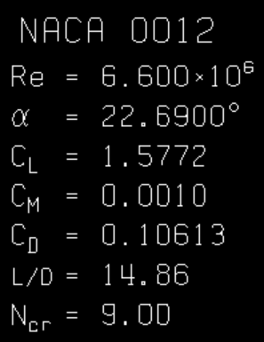
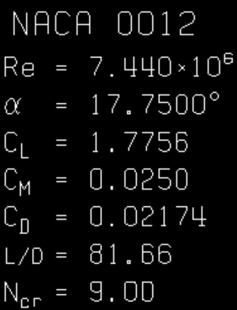
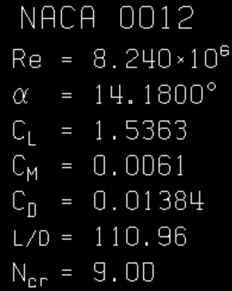
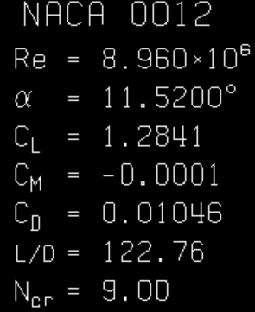
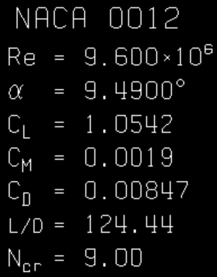
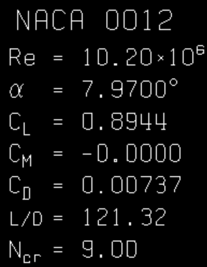
 |  |  |  |  |  |  |  |  |  |  |  |  |  | 2.28E+06 |  | Scale Factor | 0.989 |  |  | U0=2
 |  |  |  |  |  |  |  |  |  |  |  |  |  | 2.14E+06 |  | 15.45455 | 0.927
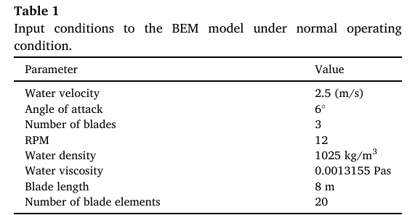

 |  |  | 6 |  | 7 |  | 8 |  | 9 |  | 10

w=1.335
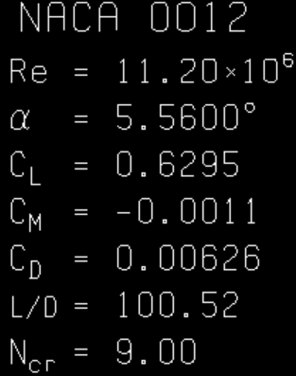
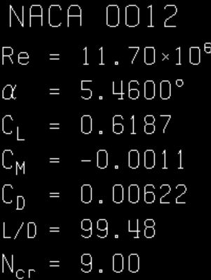
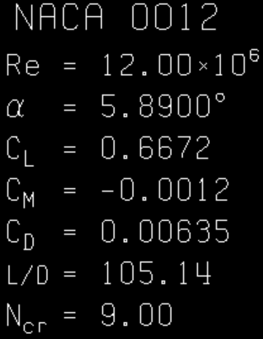
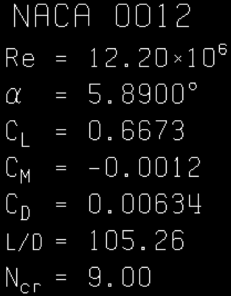
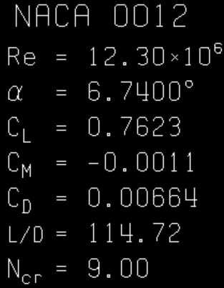
8.5m
Xfoil Output: |  |  |  |  |  |  |  | BEM output: |  |  |  |  |  |  |  |  |  |  |  |  | No Xfoil 2nd correction:
Ncrit | Re | θ | CL | CD | CM | L/D |  | Element No | radii | a | a' | a_corr | a'_corr | F_tiploss | (1-a)U_infnty | (1+a')wr | Urel | tan(phi) | phi | phi-twist | lift | drag | Fn/N | Ft | Cn | Ct | CL | CD
9 | 3.56E+06 | 0 | 0.00000 | 0.00096 |  | 0.00 |  | 0 | 2.473 | 0.00007 | -0.00007 | 0.00007 | -0.00007 | 1.0000 | 2.000 | 3.301 | 3.860 | 0.606 | 31.21 | 21.21 | 3.404 | 0.106 | 1.854 | 2.856 | 0.0005 | -0.0008 | 0.0000 | 0.0010
 | 3.42E+06 | 1 | 0.11060 | 0.00097 |  | 114.02 |  | 1 | 3.076 | 0.02511 | 0.00215 | 0.02511 | 0.00215 | 0.9999 | 1.950 | 4.115 | 4.553 | 0.474 | 25.35 | 16.35 | 3.138 | 0.033 | 1.373 | 2.822 | 0.1017 | 0.0435 | 0.1106 | 0.0010 | radii | a' | Fnormal/kN
 | 3.28E+06 | 2 | 0.22060 | 0.00100 |  | 220.60 |  | 2 | 3.678 | 0.06298 | 0.00342 | 0.06298 | 0.00342 | 0.9999 | 1.874 | 4.927 | 5.272 | 0.380 | 20.82 | 12.82 | 2.475 | 0.021 | 0.900 | 2.306 | 0.2079 | 0.0738 | 0.2206 | 0.0010 | 2.473 | -0.00007 | 10.64
 | 3.14E+06 | 3 | 0.32930 | 0.00106 |  | 310.66 |  | 3 | 4.281 | 0.11786 | 0.00417 | 0.11786 | 0.00417 | 0.9999 | 1.764 | 5.739 | 6.004 | 0.307 | 17.09 | 10.09 | 1.889 | 0.015 | 0.569 | 1.801 | 0.3153 | 0.0950 | 0.3293 | 0.0011 | 3.076 | 0.00215 | 14.63
 | 2.99E+06 | 4 | 0.43620 | 0.00115 |  | 379.30 |  | 4 | 4.884 | 0.20614 | 0.00458 | 0.20614 | 0.00458 | 0.9998 | 1.588 | 6.550 | 6.739 | 0.242 | 13.63 | 7.63 | 1.375 | 0.012 | 0.335 | 1.334 | 0.4219 | 0.1109 | 0.4362 | 0.0012 | 3.678 | 0.00342 | 16.02
 | 2.85E+06 | 5 | 0.54070 | 0.00127 |  | 425.75 |  | 5 | 5.486 | 0.27189 | 0.00422 | 0.27189 | 0.00422 |  | 1.456 | 7.355 | 7.498 | 0.198 | 11.20 | 6.20 | 1.070 | 0.010 | 0.218 | 1.048 | 0.5262 | 0.1242 | 0.5407 | 0.0013 | 4.281 | 0.00417 | 16.22
 | 2.71E+06 | 6 | 0.64220 | 0.00141 |  | 455.46 |  | 6 | 6.089 | 0.31189 | 0.00528 | 0.31189 | 0.00528 |  | 1.376 | 8.172 | 8.287 | 0.168 | 9.56 | 5.56 | 0.914 | 0.009 | 0.161 | 0.899 | 0.6275 | 0.1368 | 0.6422 | 0.0014 | 4.884 | 0.00458 | 15.14
 | 2.57E+06 | 7 | 0.75230 | 0.00163 |  | 461.53 |  | 7 | 6.692 | 0.33189 | 0.00526 | 0.33189 | 0.00526 |  | 1.336 | 8.981 | 9.080 | 0.149 | 8.46 | 5.46 | 0.851 | 0.009 | 0.134 | 0.840 | 0.7369 | 0.1516 | 0.7523 | 0.0016 | 5.486 | 0.00422 | 14.72
 | 2.42E+06 | 8 | 0.87660 | 0.00192 |  | 456.56 |  | 8 | 7.295 | 0.32189 | 0.00497 | 0.32189 | 0.00497 |  | 1.356 | 9.787 | 9.880 | 0.139 | 7.89 | 5.89 | 0.866 | 0.008 | 0.127 | 0.857 | 0.8602 | 0.1689 | 0.8766 | 0.0019 | 6.089 | 0.00528 | 15.43
 | 2.28E+06 | 9 | 0.99990 | 0.00233 |  | 429.14 |  | 9 | 7.897 | 0.24267 | 0.00495 | 0.43177 | 0.00597 | 0.8213 | 1.515 | 10.595 | 10.703 | 0.143 | 8.14 | 7.14 | 0.815 | 0.008 | 0.123 | 0.806 | 0.9834 | 0.1811 | 0.9999 | 0.0023 | 6.692 | 0.00526 | 17.30
 | 2.14E+06 | 10 | 1.07670 | 0.00300 |  | 358.90 |  | 10 | 8.500 | 0.18920 | 0.00465 | 0.32482 | 0.00661 | 0.7000 | 1.622 | 11.400 | 11.515 | 0.142 | 8.10 | 8.10 | 0.873 | 0.008 | 0.131 | 0.864 | 1.0692 | 0.1267 | 1.0767 | 0.0030 | 7.295 | 0.00497 | 20.90
 |  |  |  |  |  |  |  |  |  |  |  |  |  |  |  |  |  |  |  |  |  |  |  |  |  |  |  |  | 7.897 | 0.00495 | 23.07
 |  |  |  |  |  |  |  |  |  |  |  |  |  |  |  |  |  |  |  |  |  |  |  |  |  |  |  |  | 8.500 | 0.00465 | 28.60
Screenshot of Xfoil outputs: |  |  |  |  |  |  |  |  |  |  |  |  | Xfoil 2nd output (for FX-BEMS iteration) |  |  |  |  |  |  |  | 8.5m 3D turbine 2nd input to Xfoil
Xfoil Output: |  |  |  |  |  |  |  |  |  |  |  |  | Ncrit | Re* | phi-twist | CL* | CD* | L/D | CM* |  | Urel | tan(phi) | phi | phi-twist | twist | R=0.55 | R*=8.5 | d* (chord)
 | 0 |  | 1 |  | 2 |  | 3 |  | 4 |  | 5 |  | 9 | 6.88E+06 | 21.21 | 1.7825 | 0.0556 | 32.06 |  |  | 3.860 | 0.6419 | 32.69 | 21.21 | 10 | 0.160 | 2.473 | 1.545
 |  |  |  |  |  |  |  |  |  |  |  |  |  | 7.79E+06 | 16.35 | 1.7121 | 0.01775 | 96.46 |  |  | 4.553 | 0.5040 | 26.75 | 16.35 | 9 | 0.199 | 3.075 | 1.484
 |  |  |  |  |  |  |  |  |  |  |  |  |  | 8.65E+06 | 12.82 | 1.4091 | 0.01194 | 118.02 |  |  | 5.272 | 0.4077 | 22.18 | 12.82 | 8 | 0.238 | 3.678 | 1.422
 |  |  |  |  |  |  |  |  |  |  |  |  |  | 9.42E+06 | 10.09 | 1.1239 | 0.00902 | 124.60 |  |  | 6.004 | 0.3349 | 18.52 | 10.09 | 7 | 0.277 | 4.281 | 1.360
 |  |  |  |  |  |  |  |  |  |  |  |  |  | 1.01E+07 | 7.63 | 0.8573 | 0.00720 | 119.07 |  |  | 6.739 | 0.2771 | 15.49 | 7.63 | 6 | 0.316 | 4.884 | 1.298
 |  |  |  |  |  |  |  |  |  |  |  |  |  | 1.07E+07 | 6.20 | 0.7006 | 0.00651 | 107.62 |  |  | 7.498 | 0.2303 | 12.97 | 6.20 | 5 | 0.355 | 5.486 | 1.236
 |  |  |  |  |  |  |  |  |  |  |  |  |  | 1.12E+07 | 5.56 | 0.6295 | 0.00626 | 100.56 |  |  | 8.287 | 0.1964 | 11.11 | 5.56 | 4 | 0.394 | 6.089 | 1.175
 |  |  |  |  |  |  |  |  |  |  |  |  |  | 1.17E+07 | 5.46 | 0.6187 | 0.00622 | 99.47 |  |  | 9.080 | 0.1755 | 9.95 | 5.46 | 3 | 0.433 | 6.692 | 1.113
 |  |  |  |  |  |  |  |  |  |  |  |  |  | 1.20E+07 | 5.89 | 0.6672 | 0.00635 | 105.07 |  |  | 9.880 | 0.1584 | 9.00 | 5.89 | 2 | 0.472 | 7.295 | 1.051
 |  |  |  |  |  |  |  |  |  |  |  |  |  | 1.22E+07 | 5.12 | 0.6673 | 0.00634 | 105.25 |  |  | 10.667 | 0.1342 | 7.64 | 5.12 | 1 | 0.511 | 7.897 | 0.989
 | 6 |  | 7 |  | 8 |  | 9 |  | 10 |  |  |  |  | 1.23E+07 | 6.74 | 0.7623 | 0.00664 | 114.80 |  |  | 11.502 | 0.1198 | 6.83 | 6.74 | 0 | 0.550 | 8.500 | 0.927

 |  |  |  |  |  |  |  |  |  |  |  |  | Re Calculator
 |  |  |  |  |  |  |  |  |  |  |  |  | Re=ρUd/μ: |  | ρ | U∞ | d (chord) | μ ( Pa-s) | wr=8.5*1.335
 |  |  |  |  |  |  |  |  |  |  |  |  |  | 3.56E+06 | 1025 | 2 | 1.545 | 8.89E-04
 |  |  |  |  |  |  |  |  |  |  |  |  |  | 3.42E+06 |  | w | 1.484
φ
 |  |  |  |  |  |  |  |  |  |  |  |  |  | 3.28E+06 |  | 1.335 | 1.422
 |  |  |  |  |  |  |  |  |  |  |  |  |  | 3.14E+06 |  | R | 1.360
 |  |  |  |  |  |  |  |  |  |  |  |  |  | 2.99E+06 |  | 8.5 | 1.298
 |  |  |  |  |  |  |  |  |  |  |  |  |  | 2.85E+06 |  | δr | 1.236
 |  |  |  |  |  |  |  |  |  |  |  |  |  | 2.71E+06 |  | 0.603 | 1.175
Xfoil重新输入output： |  |  |  |  |  |  |  |  |  |  |  |  |  | 2.57E+06 |  | δchord | 1.113
 | theta=0 |  | 1 |  | 2 |  | 3 |  | 4 |  | 5 |  |  | 2.42E+06 |  | 0.062 | 1.051
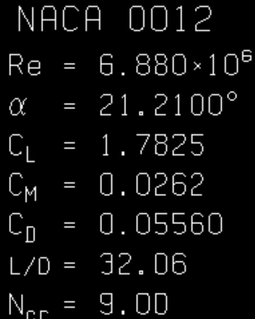
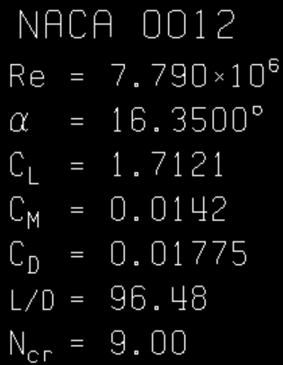
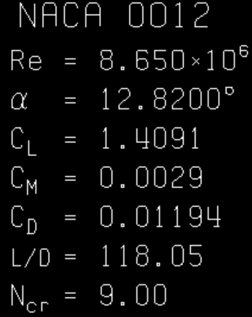
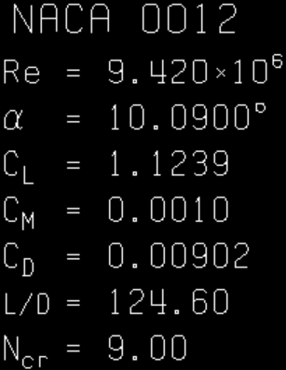
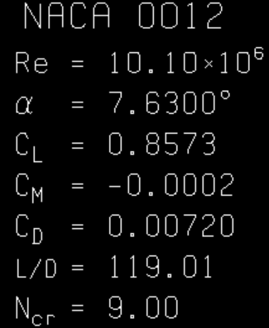
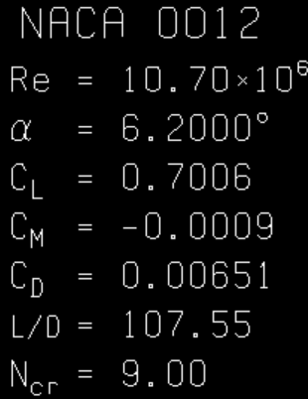
 |  |  |  |  |  |  |  |  |  |  |  |  |  | 2.28E+06 |  | Scale Factor | 0.989 |  |  | U0=2
 |  |  |  |  |  |  |  |  |  |  |  |  |  | 2.14E+06 |  | 15.45455 | 0.927

 |  |  | 6 |  | 7 |  | 8 |  | 9 |  | 10

